Introduction
 | Measure Incentive Calculator Description

The purpose of the Measure Incentive Calculator is to assit during the project design phase. The calculator is oriented towardss participants and contractors, and it is provided to determine the eligible incentive for a project based on the measures, quantities and costs.

Disclaimer: | The incentive determined by the Measure Incentive Calculator is not official rather an estimate. Actual incentives are subject to projects, measure updates and company limits.

About the Calculator | The Calculator allows you to determine eligible incentive for up to 20 measrues. If the projects has fewer than 20 measure, leave the remaning fields empty. If the project has more than 20 measure, please determine the eligible incentive for the first 20 measures and save it in a seperate sheet before removing and entering the remaining measures.

 | These Cells are for data input | These Cells list information about the measure or list the calculated values.
 | This cell lists the calculated Eligible Incentive for the entered measure

Instructions | Before using the tool, please ensure the following information is avialable:
 | Measure of interest *
 | Model Name/Number **
 | Product ID ***
 | Equipment & Material Cost
 | Labour Costs
 | Design Costs
 | Total Costs

 | * Please refer to the Measure List for all the eligible measures and eligibility criteria
 | ** This field is optional and it does not impact the incentive calculation. However, filling out the Model Name or Number here wil be helpful during the application submission as some measures require this information.
 | *** Similar to Model Name/Number, the Product ID is optional and this information will be useful during the application submission process. For Lighiting measures, the Product ID refers to the DLC ID. Once this ID is entered, the adjacent cell will provide a link to verify the measure. This further assists in ensuring whether the measure is entered in the right category. For other measures, the Product ID refers to Energy Star ID or AHRI Certified Reference Number. These IDs must be looked up manually.

 | The links for DLC Product Finder, Energy Star and AHRI are listed below.

 | DLC Product Finder
 | Energy Star Product Finder
 | AHRI Directory

 | Please note that GST is not considered an elgiible expense.

 | Step 1: Select the broad Measure Category in Column B
 | Step 2: Select the Measure in Column C
 | Note: Column G automatically lists the Maximum % of Eligible Expenses once the measrue is slected. This value can be find on the Measure List (see sample below).
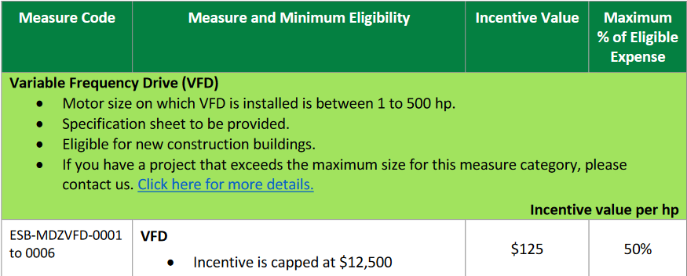

 | Similarly, Column I lists the Incentive Value ($) for the measure and Column J (Incentive Value Unit) states the what this incentive value is based on. In the sample below, the Incentive Value ($) is $125 and the Incentive Value Unit is per HP. Thus, the incentive is based on $125 per HP.

 | Lastly, Column L will list the Incentive Capped at (based on per unit Cap). For example, if two VFDs are applied for two 100 HP motors, then the incentive will be: Incentive ($) = (Quantity) x (Unit Quanitty) x (Incentive Value) = (2) x (100 HP) x ($125/HP) = $25,000 However, the Eligible Incentive will be $12,500 due to the cap. For measures that are not capped, Column L will be blacked out automatically.

 | Step 3: Enter the Model Name/Number in Column D
 | Step 4: Enter the Product ID in Column E. For Lighting measures, please check if the chosen category is correct by clicking on the link in Column F. Please note, the link is only applicable to lighting measures and DLC IDs. For other measures, please ignore Column F.
 | Step 5: Enter the Quantity of measure in Column H.
 | Step 6: Enter the per Unit Quantity in Column K. This is applicable for measures for which incentive is based on per MBH, per HP, per CFM etc. For measures that are based on per Unit basis, the cell in Column K will be blacked out automatically and it requires no input. For example, incentive for Lighting measures are based on per Unit. The incentive in this case will simply be: Incentive ($) = (Quanity) x (Incentive Value) Whereas, for VFDs, the incentive is based on per HP. If two VFDs are applied for two 100 HP motors then the incentive is: Incenitve ($) = (Quantity) x (Unit Quantity) x (Incentive Value) = (2) x (100 HP) x ($125/HP) = $25,000 but capped at $12,500

 | Step 7: Enter the Equipment & Material Costs, Labour Costs, and Design Costs in Columns M, N, and O respectively.
 | Once all the information is filled out, the Incentive will be calculated in Column S.
 | Please note that the Incentive is the minimum of two values determined in Columns Q and R. Column T will automatically list what the final eligible Incentive is based on.
 | For example, consider the following two cases. CASE 1 One VFD is applied for one 20 HP motor and the cost of the VFD is $4,000, then the incentive is determinded as below: Incentive based on measure = (Quantity) x (Unit Quantity) x (Incentive Value) = (1) x (20 HP) x ($125) = $2,500 Incentive based on cost = (Total Project Cost) x (Maximum % of Eligible Incentive) = ($4,000) x (50%) = $2,000 In this case, the incentive is Cost Driven and eligible incentive amount is $2,000.
 | CASE 2 One VFD is applied for one 10 HP motor and the cost of the VFD is $3,000, then the incentive is determinded as below: Incentive based on measure = (Quantity) x (Unit Quantity) x (Incentive Value) = (1) x (10 HP) x ($125) = $1,250 Incentive based on cost = (Total Project Cost) x (Maximum % of Eligible Incentive) = ($3,000) x (50%) = $1,500 In this case, the incentive is Measure Driven and the incentive amount is $1,250.

Important Tip | Once all the measures of the project have been entered in and final incentive amount has been calculated, please save the file and use it duirng the application submission process. The information entered in the calculator will make the application submission process simple as the inputs are similar. This will result in a faster processing of the application.

